PricingOptionOneFactor_PLfigure
PL | Mean: | 0.137776145
4.553001 | STDEV: | 11.257946987
7.813229
-6.434895 | Lower: | -30
1.369978 | Upper: | 30
-7.941161 | Num: | 9
9.120349
-10.343078 | -30.00 |  | Bin | Frequency
-21.605964 | -23.33 |  | -30.00 | 3 | 0.015
-13.71569 | -16.67 |  | -23.33 | 3 | 0.015
-8.135406 | -10.00 |  | -16.67 | 11 | 0.055
-5.191484 | -3.33 |  | -10.00 | 19 | 0.095
11.076772 | 3.33 |  | -3.33 | 31 | 0.155
7.09935 | 10.00 |  | 3.33 | 43 | 0.215
12.875254 | 16.67 |  | 10.00 | 54 | 0.27
7.858511 | 23.33 |  | 16.67 | 34 | 0.17
14.539198 | 30.00 |  | 23.33 | 2 | 0.01
1.623832 | 36.666666667 |  | 30.00 | 0 | 0
8.89071 | 43.333333333 |  | More | 0
13.653505 | 50 |  |  |  | 200
-20.676772
-3.25149
13.467851
0.28202
-3.06294
<= -30 | 0.015
-25 | 0.015
-20 | 0.055
-15 | 0.095
-10 | 0.155
-5 | 0.215
0 | 0.27
5 | 0.17
10 | 0.01
15 | 0
20
25 | 200
>= 30
3.963387
-8.983543
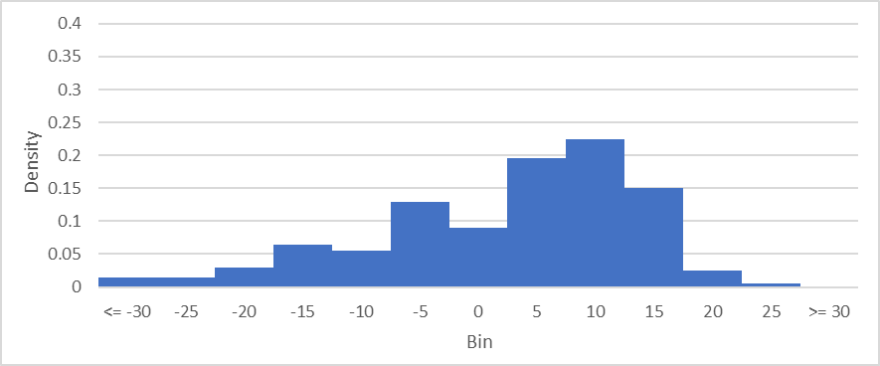
13.623182
-20.861941
-12.25327
10.109358
7.336884
11.873217
0.38795
14.105257
-0.166752
9.761333
-4.026143
6.451058
-15.891584
1.373936
-8.542748
-15.028272
-6.833855
5.850943
0.727163
-12.49239
8.344502
13.327303
-0.23673
-15.214111
-1.838188
2.467247
5.177898
-16.134065
10.962845
4.546772
9.080489
0.265746
-11.461908
6.785285
-1.816198
-19.721478
1.944652
-37.25566
-7.475334
-2.36402
8.685708
-2.141952
9.760367
14.031055
2.739648
-10.784269
-10.385344
-8.077596
20.783046
-18.147001
6.176334
1.277422
8.812789
3.847581
13.350998
7.174152
1.310968
1.725475
-33.220616
15.706725
-7.884762
12.544125
2.796952
6.975917
2.387115
8.609414
8.677913
13.348079
8.318186
9.083812
7.842214
-2.476124
-1.215358
-5.28354
-15.592641
0.150384
-22.628424
-17.773306
12.547814
-9.443775
13.072788
-6.882954
-26.130669
-22.886227
7.006547
13.104661
-1.36596
0.387016
9.146211
3.184532
-13.598095
11.181602
0.884621
0.544247
8.856294
9.567639
-6.235653
11.724554
-9.005661
14.21102
7.60551
12.333427
0.970366
7.212339
-20.939185
1.135539
14.285664
-32.115062
2.728475
-9.71083
-3.950448
-15.202211
-14.090604
-10.262089
11.998826
2.061373
1.974836
16.470104
7.827339
-16.089019
9.802411
-6.680518
14.142754
3.460538
8.600495
6.375703
6.757181
-5.807181
-6.663035
-15.780614
-26.14931
-1.124787
-4.524362
13.682033
-7.740018
7.693746
3.823535
6.324461
8.215474
4.591355
-0.838856
6.161397
13.144274
-9.36682
12.608821
-4.091071
-10.371033
-6.551149
-6.578424
4.878633
6.178707
-19.999636
14.912357
17.235244
2.269041
8.911609
4.05946
-3.54021
9.488008
8.625867
2.406166
2.130082
2.355026
-19.115973
-6.929352
10.715713
15.57409
-9.259285
-26.781278
-7.997735
6.942265
0.973343
5.884252
16.16859

